PCA-SVC
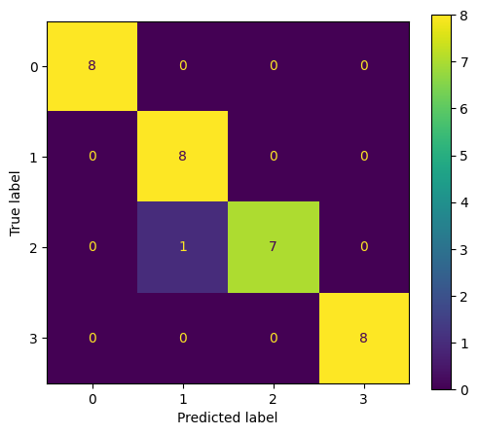
precision | recall | f1-score | support
1 | 1 | 1 | 8
0.88888888889 | 1 | 0.94117647059 | 8
1 | 0.875 | 0.93333333333 | 8
1 | 1 | 1 | 8
0.96875 | 0.96875 | 0.96875 | 0.96875
0.97222222222 | 0.96875 | 0.96862745098 | 32
0.97222222222 | 0.96875 | 0.96862745098 | 32

PCA-GaussianNB
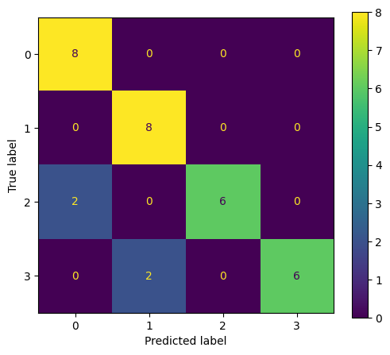
precision | recall | f1-score | support
0.8 | 1 | 0.88888888889 | 8
0.8 | 1 | 0.88888888889 | 8
1 | 0.75 | 0.85714285714 | 8
1 | 0.75 | 0.85714285714 | 8
0.875 | 0.875 | 0.875 | 0.875
0.9 | 0.875 | 0.87301587302 | 32
0.9 | 0.875 | 0.87301587302 | 32

PCA-BernoulliNB
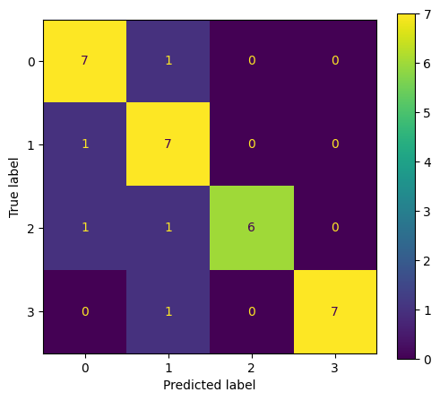
precision | recall | f1-score | support
0.77777777778 | 0.875 | 0.82352941176 | 8
0.7 | 0.875 | 0.77777777778 | 8
1 | 0.75 | 0.85714285714 | 8
1 | 0.875 | 0.93333333333 | 8
0.84375 | 0.84375 | 0.84375 | 0.84375
0.86944444444 | 0.84375 | 0.847945845 | 32
0.86944444444 | 0.84375 | 0.847945845 | 32

PCA-RandomForestClassifier
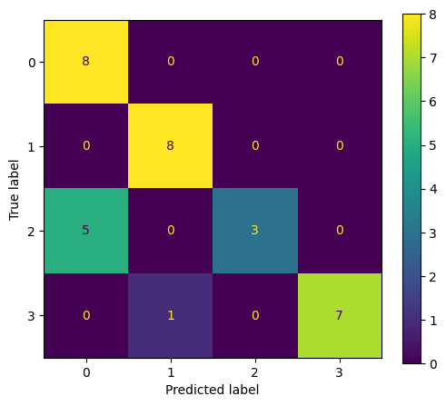
precision | recall | f1-score | support
0.61538461538 | 1 | 0.7619047619 | 8
0.88888888889 | 1 | 0.94117647059 | 8
1 | 0.375 | 0.54545454545 | 8
1 | 0.875 | 0.93333333333 | 8
0.8125 | 0.8125 | 0.8125 | 0.8125
0.87606837607 | 0.8125 | 0.79546727782 | 32
0.87606837607 | 0.8125 | 0.79546727782 | 32

PCA-DecisionTreeClassifier
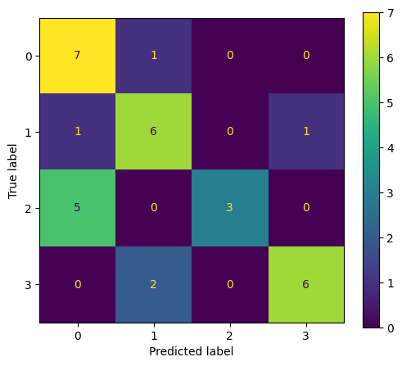
precision | recall | f1-score | support
0.53846153846 | 0.875 | 0.66666666667 | 8
0.66666666667 | 0.75 | 0.70588235294 | 8
1 | 0.375 | 0.54545454545 | 8
0.85714285714 | 0.75 | 0.8 | 8
0.6875 | 0.6875 | 0.6875 | 0.6875
0.76556776557 | 0.6875 | 0.67950089127 | 32
0.76556776557 | 0.6875 | 0.67950089127 | 32

PCA-AdaBoostClassifier
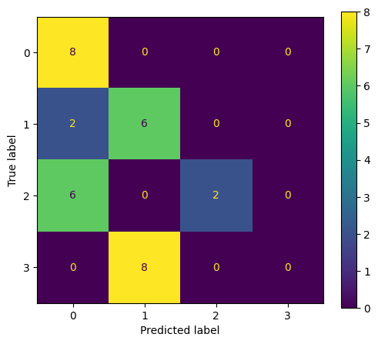
precision | recall | f1-score | support
0.5 | 1 | 0.66666666667 | 8
0.42857142857 | 0.75 | 0.54545454545 | 8
1 | 0.25 | 0.4 | 8
0 | 0 | 0 | 8
0.5 | 0.5 | 0.5 | 0.5
0.48214285714 | 0.5 | 0.40303030303 | 32
0.48214285714 | 0.5 | 0.40303030303 | 32

1D-CNN
